Sales
2022-08-01 | 8/1/2022 | 8/2/2022 | 8/3/2022 | 8/4/2022 | 8/5/2022 | 8/6/2022 | 8/7/2022 | 8/8/2022 | 8/9/2022 | 8/10/2022 | 8/11/2022 | 8/12/2022 | 8/13/2022 | 8/14/2022 | 8/15/2022 | 8/16/2022 | 8/17/2022 | 8/18/2022 | 8/19/2022 | 8/20/2022 | 8/21/2022 | 8/22/2022 | 8/23/2022 | 8/24/2022 | 8/25/2022 | 8/26/2022 | 8/27/2022 | 8/28/2022 | 8/29/2022 | 8/30/2022 | 8/31/2022
 | MON | TUE | WED | THU | FRI | SAT | SUN | MON | TUE | WED | THU | FRI | SAT | SUN | MON | TUE | WED | THU | FRI | SAT | SUN | MON | TUE | WED | THU | FRI | SAT | SUN | MON | TUE | WED
Weekend Work |  |  |  |  |  | Beno? | Beno? |  |  |  |  |  | Peter | Peter |  |  |  |  |  | Gaja | Gaja |  |  |  |  |  | Peter | Peter
Notes
 | Testing Water Fountain (Phase #2) |  |  |  |  |  |  |  |  |  |  |  | Suet Ball 14$ (+pro&sparrow bundle)
 |  |  |  |  |  |  |  | Testing New Add-on Prices

Shopify | $7,760.66 | $9,117.31 | $5,566.23 | $6,312.37 | $10,578.73 | $5,220.75 | $6,738.11 | $5,512.86 | $3,155.06 | $4,797.02 | $3,377.50 | $4,667.62 | $2,406.72 | $8,860.56 | $6,962.55 | $4,198.32 | $4,841.31 | $3,752.26 | $5,963.55 | $2,972.97 | $4,790.01 | $4,821.95 | $2,149.03 | $3,795.94 | $1,923.64 | $3,449.23 | $3,779.56 | $4,326.99 | $3,661.56 | $2,569.43 | $4,685.00
Total Revenue | $7,760.66 | $9,117.31 | $5,566.23 | $6,312.37 | $10,578.73 | $5,220.75 | $6,738.11 | $5,512.86 | $3,155.06 | $4,797.02 | $3,377.50 | $4,667.62 | $2,406.72 | $8,860.56 | $6,962.55 | $4,198.32 | $4,841.31 | $3,752.26 | $5,963.55 | $2,972.97 | $4,790.01 | $4,821.95 | $2,149.03 | $3,795.94 | $1,923.64 | $3,449.23 | $3,779.56 | $4,326.99 | $3,661.56 | $2,569.43 | $4,685.00
Orders | 28 | 29 | 18 | 23 | 31 | 17 | 22 | 15 | 10 | 17 | 12 | 14 | 8 | 21 | 23 | 13 | 15 | 15 | 17 | 10 | 15 | 13 | 7 | 12 | 6 | 12 | 12 | 14 | 12 | 9 | 15

FB - US & CA | $4,753.71 | $3,723.17 | $3,843.09 | $3,579.18 | $3,290.00 | $2,839.18 | $2,350.48 | $1,865.80 | $1,749.71 | $1,554.75 | $1,268.36 | $1,208.82 | $1,532.30 | $1,990.47 | $1,971.88 | $1,879.36 | $1,830.33 | $1,226.37 | $913.22 | $1,313.73 | $1,198.38 | $1,122.03 | $1,117.01 | $1,098.17 | $890.42 | $985.14 | $1,011.90 | $1,025.05 | $1,100.19 | $1,075.01 | $1,046.82
Google - WW | $56.46 | $139.00 | $171.00 | $153.00 | $138.00 | $154.00 | $133.00 | $166.00 | $161.00 | $176.00 | $229.00 | $137.95 | $143.83 | $177.00 | $187.00 | $175.00 | $169.00 | $153.00 | $223.00 | $173.00 | $234.00 | $217.00 | $202.00 | $146.00 | $118.00 | $127.59 | $133.37 | $139.00 | $124.00 | $92.90 | $143.00
Bing - WW | $9.06 | $5.77 | $7.23 | $11.93 | $6.09 | $4.78 | $6.19 | $4.07 | $7.68 | $7.65 | $6.07 | $7.48 | $1.82 | $4.86 | $6.07 | $7.14 | $5.64 | $7.02 | $5.59 | $2.48 | $7.85 | $5.26 | $3.91 | $1.79 | $1.67 | $4.69 | $5.38 | $6.34 | $5.28 | $2.70 | $5.29
TikTok - US & CA | $0.00 | $0.00 | $0.00 | $0.00 | $0.00 | $0.00 | $0.00 | $0.00 | $0.00 | $0.00 | $0.00 | $0.00 | $0.00 | $0.00 | $0.00 | $0.00 | $0.00 | $0.00 | $0.00 | $0.00 | $0.00 | $0.00 | $0.00 | $0.00 | $0.00 | $0.00 | $0.00 | $0.00 | $0.00 | $0.00 | $0.00
Affiliate Fees - US | $0.00 | $0.00 | $0.00 | $0.00 | $0.00 | $0.00 | $0.00 | $0.00 | $0.00 | $0.00 | $0.00 | $0.00 | $0.00 | $0.00 | $0.00 | $0.00 | $0.00 | $0.00 | $0.00 | $0.00 | $0.00 | $0.00 | $0.00 | $0.00 | $0.00 | $0.00 | $0.00 | $0.00 | $0.00 | $0.00 | $0.00
Total Spend | $4,819.23 | $3,867.94 | $4,021.32 | $3,744.11 | $3,434.09 | $2,997.96 | $2,489.67 | $2,035.87 | $1,918.39 | $1,738.40 | $1,503.43 | $1,354.25 | $1,677.95 | $2,172.33 | $2,164.95 | $2,061.50 | $2,004.97 | $1,386.39 | $1,141.81 | $1,489.21 | $1,440.23 | $1,344.29 | $1,322.92 | $1,245.96 | $1,010.09 | $1,117.42 | $1,150.65 | $1,170.39 | $1,229.47 | $1,170.61 | $1,195.11

ROAS | 1.61 | 2.36 | 1.38 | 1.69 | 3.08 | 1.74 | 2.71 | 2.71 | 1.64 | 2.76 | 2.25 | 3.45 | 1.43 | 4.08 | 3.22 | 2.04 | 2.41 | 2.71 | 5.22 | 2.00 | 3.33 | 3.59 | 1.62 | 3.05 | 1.90 | 3.09 | 3.28 | 3.70 | 2.98 | 2.19 | 3.92
CAC | $172.12 | $133.38 | $223.41 | $162.79 | $110.78 | $176.35 | $113.17 | $135.72 | $191.84 | $102.26 | $125.29 | $96.73 | $209.74 | $103.44 | $94.13 | $158.58 | $133.66 | $92.43 | $67.17 | $148.92 | $96.02 | $103.41 | $188.99 | $103.83 | $168.35 | $93.12 | $95.89 | $83.60 | $102.46 | $130.07 | $79.67
CR | 0.60% | 0.88% | 0.63% | 0.70% | 1.15% | 0.69% | 0.94% | 0.81% | 0.58% | 0.97% | 0.77% | 0.99% | 0.57% | 0.86% | 0.92% | 0.58% | 0.84% | 0.94% | 1.15% | 0.77% | 0.88% | 0.70% | 0.48% | 0.78% | 0.39% | 0.76% | 0.66% | 0.68% | 0.63% | 0.60% | 0.90%
AOV | $277.17 | $314.39 | $309.24 | $274.45 | $341.25 | $307.10 | $306.28 | $367.52 | $315.51 | $282.18 | $281.46 | $333.40 | $300.84 | $421.93 | $302.72 | $322.95 | $322.75 | $250.15 | $350.80 | $297.30 | $319.33 | $370.92 | $307.00 | $316.33 | $320.61 | $287.44 | $314.96 | $309.07 | $305.13 | $285.49 | $312.33

Post-purchase Survey
Facebook / Instagram | 88.89% | 66.67% | 50.00% | 61.54% | 75.00% | 66.67% | 55.56% | 66.67% | 40.00% | 80.00% | 50.00% | 62.50% | 100.00% | 50.00% | 60.00% | 60.00% | 66.67% | 100.00% | 83.33% | 66.67% | 66.67% | 100.00% | 33.33% | 50.00% | 0.00% | 33.33% | 0.00% | 100.00% | 57.14% | 66.67% | 71.43%
Friends / Family | 0.00% | 5.56% | 25.00% | 7.69% | 25.00% | 16.67% | 22.22% | 16.67% | 0.00% | 0.00% | 50.00% | 12.50% | 0.00% | 16.67% | 20.00% | 20.00% | 22.22% | 0.00% | 0.00% | 0.00% | 0.00% | 0.00% | 33.33% | 25.00% | 100.00% | 16.67% | 33.33% | 0.00% | 28.57% | 0.00% | 14.29%
Google, Yahoo, Bing | 11.11% | 11.11% | 0.00% | 7.69% | 0.00% | 0.00% | 11.11% | 0.00% | 20.00% | 0.00% | 0.00% | 12.50% | 0.00% | 33.33% | 10.00% | 10.00% | 0.00% | 0.00% | 16.67% | 33.33% | 33.33% | 0.00% | 33.33% | 25.00% | 0.00% | 16.67% | 66.67% | 0.00% | 0.00% | 0.00% | 0.00%
Pinterest | 0.00% | 5.56% | 0.00% | 0.00% | 0.00% | 0.00% | 0.00% | 0.00% | 0.00% | 0.00% | 0.00% | 0.00% | 0.00% | 0.00% | 0.00% | 0.00% | 0.00% | 0.00% | 0.00% | 0.00% | 0.00% | 0.00% | 0.00% | 0.00% | 0.00% | 0.00% | 0.00% | 0.00% | 0.00% | 0.00% | 0.00%
TikTok | 0.00% | 0.00% | 25.00% | 0.00% | 0.00% | 16.67% | 0.00% | 0.00% | 20.00% | 0.00% | 0.00% | 0.00% | 0.00% | 0.00% | 0.00% | 10.00% | 0.00% | 0.00% | 0.00% | 0.00% | 0.00% | 0.00% | 0.00% | 0.00% | 0.00% | 0.00% | 0.00% | 0.00% | 0.00% | 0.00% | 0.00%
TV / Radio | 0.00% | 0.00% | 0.00% | 0.00% | 0.00% | 0.00% | 11.11% | 16.67% | 0.00% | 0.00% | 0.00% | 12.50% | 0.00% | 0.00% | 10.00% | 0.00% | 0.00% | 0.00% | 0.00% | 0.00% | 0.00% | 0.00% | 0.00% | 0.00% | 0.00% | 0.00% | 0.00% | 0.00% | 0.00% | 0.00% | 0.00%
Blog / Article | 0.00% | 11.11% | 0.00% | 23.08% | 0.00% | 0.00% | 0.00% | 0.00% | 20.00% | 20.00% | 0.00% | 0.00% | 0.00% | 0.00% | 0.00% | 0.00% | 11.11% | 0.00% | 0.00% | 0.00% | 0.00% | 0.00% | 0.00% | 0.00% | 0.00% | 33.33% | 0.00% | 0.00% | 14.29% | 33.33% | 14%

 | 2022-08-01 | Goal | % of Goal
Revenue | $152,714.80 |  | #DIV/0!
Spend | $61,420.90
ROAS | 2.49
CAC | $126.64
CR | 0.76%
AOV | $314.88
Orders | 485

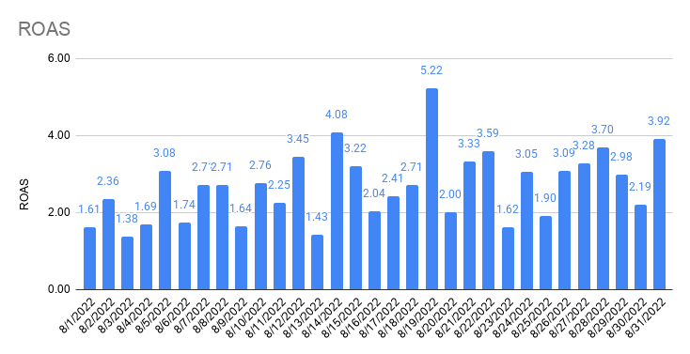
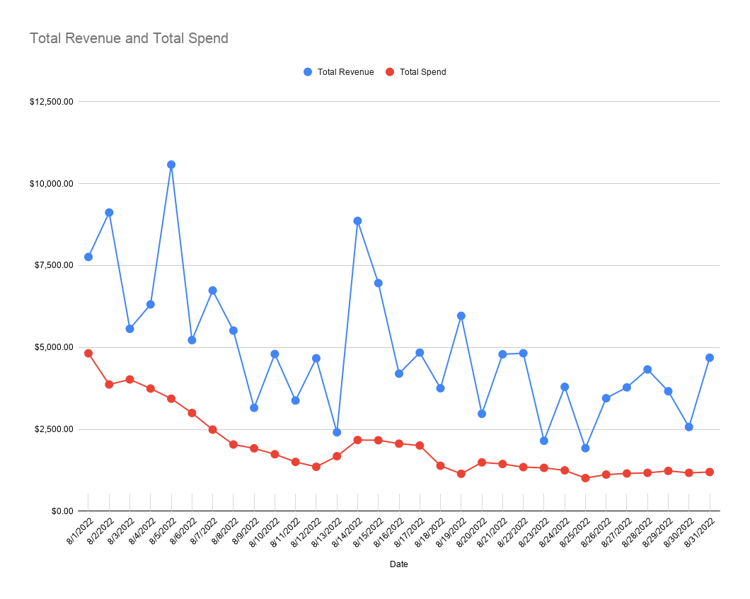

Total Revenue and Total Spend

Attribution
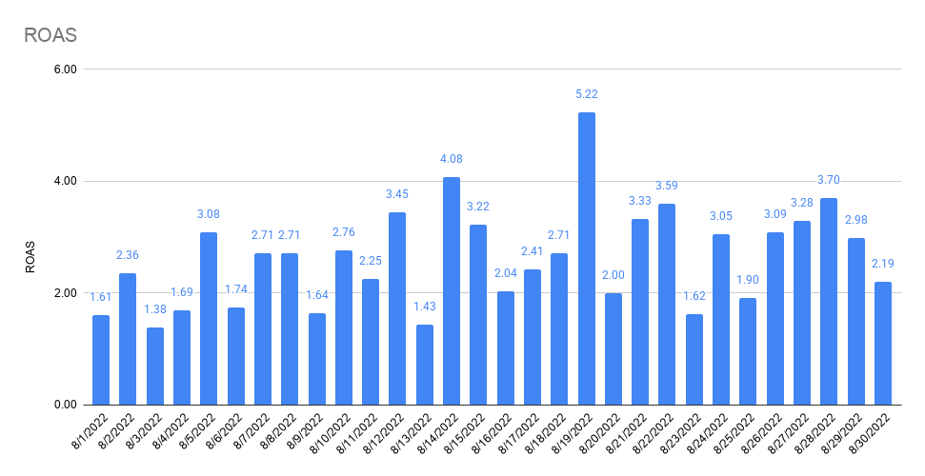
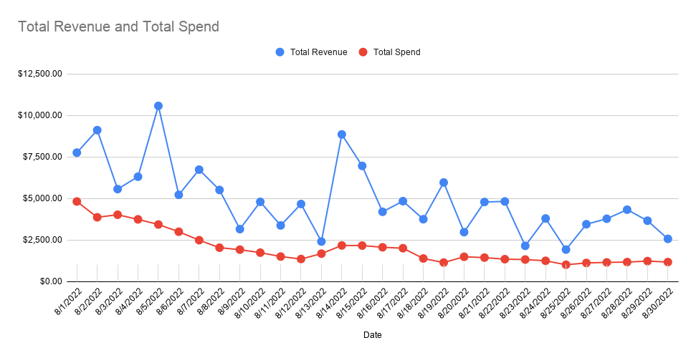
 | 8/1/2022 | 8/2/2022 | 8/3/2022 | 8/4/2022 | 8/5/2022 | 8/6/2022 | 8/7/2022 | 8/8/2022 | 8/9/2022 | 8/10/2022 | 8/11/2022 | 8/12/2022 | 8/13/2022 | 8/14/2022 | 8/15/2022 | 8/16/2022 | 8/17/2022 | 8/18/2022 | 8/19/2022 | 8/20/2022 | 8/21/2022 | 8/22/2022 | 8/23/2022 | 8/24/2022 | 8/25/2022 | 8/26/2022 | 8/27/2022 | 8/28/2022 | 8/29/2022 | 8/30/2022 | 8/31/2022
 | MON | TUE | WED | THU | FRI | SAT | SUN | MON | TUE | WED | THU | FRI | SAT | SUN | MON | TUE | WED | THU | FRI | SAT | SUN | MON | TUE | WED | THU | FRI | SAT | SUN | MON | TUE | WED
FB Orders | 11 | 19 | 12 | 6 | 12 | 6 | 8 | 14 | 6 | 0 | 3 | 8 | 8 | 8 | 9 | 8 | 6 | 7 | 6 | 5 | 6 | 4 | 3 | 3 | 1 | 3 | 3 | 4 | 6 | 3 | 6
All Orders | 28 | 29 | 18 | 23 | 31 | 17 | 22 | 15 | 10 | 17 | 12 | 14 | 8 | 21 | 23 | 13 | 15 | 15 | 17 | 10 | 15 | 13 | 7 | 12 | 6 | 12 | 12 | 14 | 12 | 9 | 15
% Attributed to FB (Ads Manager) | 39% | 66% | 67% | 26% | 39% | 35% | 36% | 93% | 60% | 0% | 25% | 57% | 100% | 38% | 39% | 62% | 40% | 47% | 35% | 50% | 40% | 31% | 43% | 25% | 17% | 25% | 25% | 29% | 50% | 33% | 40%

Attribution

Notes

FB Orders (Shopify) | 11 | 19 | 12 | 6 | 12 | 6 | 8 | 14 | 6 | 0 | 3 | 8 |  | 8 | 9 | 8 | 6 | 7 | 6 | 5 | 6 | 4 | 3 | 3 | 1 | 3 | 3 | 4 | 6 | 3 | 6

FB Offline Conversions (Shopify) | 0 | 0 | 0 | 0 | 0 | 0 | 0 | 0 | 0 | 0 | 3 | 0 | 0 | 0 | 0 | 0 | 0 | 0 | 0 | 0 | 0 | 0 | 0 | 0 | 0 | 0 | 0 | 0 | 0 | 0 | 0
% difference | 0.00% | 0.00% | 0.00% | 0.00% | 0.00% | 0.00% | 0.00% | 0.00% | 0.00% | #DIV/0! | 100.00% | 0.00% | #DIV/0! | 0.00% | 0.00% | 0.00% | 0.00% | 0.00% | 0.00% | 0.00% | 0.00% | 0.00% | 0.00% | 0.00% | 0.00% | 0.00% | 0.00% | 0.00% | 0.00% | 0.00% | 0.00%

GA (UTM: fb-paid) Orders (Shopify) | 12 | 11 | 3 | 8 | 17 | 9 | 8 | 3 | 1 | 4 | 5 | 6 | 2 | 6 | 7 | 6 | 7 | 4 | 5 | 4 | 2 | 2 | 2 | 2 | 0 | 2 | 5 | 6 | 5 | 3 | 6
% difference | 109.09% | 57.89% | 25.00% | 133.33% | 141.67% | 150.00% | 100.00% | 21.43% | 16.67% | #DIV/0! | 166.67% | 75.00% | #DIV/0! | 75.00% | 77.78% | 75.00% | 116.67% | 57.14% | 83.33% | 80.00% | 33.33% | 50.00% | 66.67% | 66.67% | 0.00% | 66.67% | 166.67% | 150.00% | 83.33% | 100.00% | 100.00%

Social Orders (Shopify) | 11 | 13 | 5 | 10 | 16 | 8 | 8 | 6 | 1 | 5 | 5 | 5 | 1 | 5 | 8 | 6 | 7 | 5 | 5 | 4 | 2 | 3 | 2 | 2 | 0 | 2 | 4 | 6 | 6 | 3 | 6
% difference | 100.00% | 68.42% | 41.67% | 166.67% | 133.33% | 133.33% | 100.00% | 42.86% | 16.67% | #DIV/0! | 166.67% | 62.50% | #DIV/0! | 62.50% | 88.89% | 75.00% | 116.67% | 71.43% | 83.33% | 80.00% | 0.00% | 75.00% | 66.67% | 66.67% | 0.00% | 66.67% | 133.33% | 150.00% | 100.00% | 100.00% | 100.00%

Shopify (All) | 28 | 29 | 18 | 23 | 31 | 17 | 22 | 15 | 10 | 17 | 12 | 14 | 8 | 21 | 23 | 13 | 15 | 15 | 17 | 10 | 15 | 13 | 7 | 12 | 6 | 12 | 12 | 14 | 12 | 9 | 15

GA (Shopify) | 24 | 28 | 18 | 22 | 30 | 17 | 20 | 14 | 10 | 14 | 10 | 19 | 8 | 19 | 23 | 12 | 14 | 14 | 16 | 10 | 13 | 12 | 8 | 12 | 5 | 11 | 11 | 12 | 11 | 9 | 14
% difference | 85.71% | 96.55% | 100.00% | 95.65% | 96.77% | 100.00% | 90.91% | 93.33% | 100.00% | 82.35% | 83.33% | 135.71% | 100.00% | 90.48% | 100.00% | 92.31% | 93.33% | 93.33% | 94.12% | 100.00% | 86.67% | 92.31% | 114.29% | 100.00% | 83.33% | 91.67% | 91.67% | 85.71% | 91.67% | 100.00% | 93.33%

PP Survey (All) Order Views | 35 | 80 | 18 | 124 | 41 | 19 | 20 | 21 | 11 | 21 | 20 | 20 | 8 | 20 | 25 | 17 | 19 | 15 | 20 | 13 | 15 | 13 | 9 | 12 | 6 | 16 | 11 | 14 | 23 | 8 | 20
% difference | 125.00% | 275.86% | 100.00% | 539.13% | 132.26% | 111.76% | 90.91% | 140.00% | 110.00% | 123.53% | 166.67% | 142.86% | 100.00% | 95.24% | 108.70% | 130.77% | 126.67% | 100.00% | 117.65% | 130.00% | 100.00% | 100.00% | 128.57% | 100.00% | 100.00% | 133.33% | 91.67% | 100.00% | 191.67% | 88.89% | 133.33%

Facebook Attribution
Conversion value by channel | 3,029.06 | 5,330.85 | 3,265.16 | 1,646.89 | 3,187.66 | 2,642.22 | 2,258.33 | 4,194.33 | 1,467.65 | 0.00 | 730.26 | 2,884.69 | 2,830.26 | 2,884.69 | 2,555.24 | 2,257.25 | 1,656.26 | 1,824.72 | 1,623.43 | 1,227.11 | 1,663.18 | 1,957.04 | 873.95 | 675.49 | 272.43 | 861.71 | 886.02 | 1,086.68 | 1,639.09 | 808.64 | 1,558.39
FB CV | $3,496.93 | $6,154.25 | $3,769.50 | $1,901.27 | $3,680.03 | $3,050.34 | $2,607.15 | $4,842.19 | $1,694.34 | $0.00 | $843.06 | $3,330.26 | $3,267.42 | $3,330.26 | $2,949.92 | $2,605.90 | $1,912.09 | $2,106.57 | $1,874.18 | $1,416.65 | $1,920.07 | $2,259.32 | $1,008.94 | $779.83 | $314.51 | $994.81 | $1,022.87 | $1,254.53 | $1,892.26 | $933.54 | $1,799.10
GA UTM CV | $3,845.27 | $3,610.75 | $1,123.82 | $2,600.07 | $6,013.22 | $2,820.27 | $2,511.91 | $901.98 | $236.42 | $1,244.14 | $1,519.74 | $2,087.69 | $527.51 | $2,087.69 | $2,269.16 | $1,818.50 | $2,107.19 | $1,166.72 | $1,749.52 | $1,049.20 | $688.79 | $607.90 | $758.72 | $539.45 | $0.00 | $618.46 | $1,532.86 | $625.84 | $1,561.06 | $939.86 | $1,868.45
TW CV | $4,625.53 | $4,562.49 | $1,123.82 | $3,767.22 | $6,622.41 | $3,182.65 | $3,227.49 | $1,137.14 | $432.42 | $2,054.62 | $1,519.74 | $2,087.69 | $527.51 | $2,087.69 | $2,853.16 | $2,124.31 | $2,107.19 | $1,473.78 | $2,022.52 | $1,049.20 | $688.79 | $1,676.90 | $758.72 | $539.45 | $271.00 | $618.46 | $1,857.86 | $2,187.74 | $1,795.94 | $1,197.44 | $2,402.36
Overall CV | $7,760.66 | $9,117.31 | $5,566.23 | $6,312.37 | $10,578.73 | $5,220.75 | $6,738.11 | $5,512.86 | $3,155.06 | $4,797.02 | $3,377.50 | $4,667.62 | $2,406.72 | $8,860.56 | $6,962.55 | $4,198.32 | $4,841.31 | $3,752.26 | $5,963.55 | $2,972.97 | $4,790.01 | $4,821.95 | $2,149.03 | $3,795.94 | $1,923.64 | $3,449.23 | $3,779.56 | $4,326.99 | $3,661.56 | $2,569.43 | $4,685.00

Orders by channel
FB OR | 11 | 19 | 12 | 6 | 12 | 6 | 8 | 14 | 6 | 0 | 3 | 8 | 8 | 8 | 9 | 8 | 6 | 7 | 6 | 5 | 6 | 4 | 3 | 3 | 1 | 3 | 3 | 4 | 6 | 3 | 6
GA UTM OR | 12 | 11 | 3 | 8 | 17 | 9 | 8 | 3 | 1 | 4 | 5 | 6 | 2 | 6 | 7 | 6 | 7 | 4 | 5 | 4 | 2 | 2 | 2 | 2 | 0 | 2 | 5 | 6 | 5 | 3 | 6
TW OR | 14 | 14 | 3 | 12 | 18 | 10 | 10 | 4 | 1 | 10 | 5 | 1 | 2 | 6 | 8 | 7 | 7 | 5 | 5 | 4 | 2 | 2 | 2 | 2 | 1 | 2 | 6 | 7 | 6 | 4 | 187
Overall OR | 28 | 29 | 18 | 23 | 31 | 17 | 22 | 15 | 10 | 17 | 12 | 14 | 8 | 21 | 23 | 13 | 15 | 15 | 17 | 10 | 15 | 13 | 7 | 12 | 6 | 12 | 12 | 14 | 12 | 9 | 15

Attribution % by channel (CV) | 8/1/2022 | 8/2/2022 | 8/3/2022 | 8/4/2022 | 8/5/2022 | 8/6/2022 | 8/7/2022 | 8/8/2022 | 8/9/2022 | 8/10/2022 | 8/11/2022 | 8/12/2022 | 8/13/2022 | 8/14/2022 | 8/15/2022 | 8/16/2022 | 8/17/2022 | 8/18/2022 | 8/19/2022 | 8/20/2022 | 8/21/2022 | 8/22/2022 | 8/23/2022 | 8/24/2022 | 8/25/2022 | 8/26/2022 | 8/27/2022 | 8/28/2022 | 8/29/2022 | 8/30/2022 | 8/31/2022
Difference FB / Overall | 45.06% | 67.50% | 67.72% | 30.12% | 34.79% | 58.43% | 38.69% | 87.83% | 53.70% | 0.00% | 24.96% | 71.35% | 135.76% | 37.59% | 42.37% | 62.07% | 39.50% | 56.14% | 31.43% | 47.65% | 40.08% | 46.85% | 46.95% | 20.54% | 16.35% | 28.84% | 27.06% | 28.99% | 51.68% | 36.33% | 38.40%
Difference GA UTM / Overall | 49.55% | 39.60% | 20.19% | 41.19% | 56.84% | 54.02% | 37.28% | 16.36% | 7.49% | 25.94% | 45.00% | 44.73% | 21.92% | 23.56% | 32.59% | 43.31% | 43.53% | 31.09% | 29.34% | 35.29% | 14.38% | 12.61% | 35.31% | 14.21% | 0.00% | 17.93% | 40.56% | 14.46% | 42.63% | 36.58% | 39.88%
Difference TW / Overall | 59.60% | 50.04% | 20.19% | 59.68% | 62.60% | 60.96% | 47.90% | 20.63% | 13.71% | 42.83% | 45.00% | 44.73% | 21.92% | 23.56% | 40.98% | 50.60% | 43.53% | 39.28% | 33.91% | 35.29% | 14.38% | 34.78% | 35.31% | 14.21% | 14.09% | 17.93% | 49.16% | 50.56% | 49.05% | 46.60% | 51.28%

Attribution % by channel (OR) | 8/1/2022 | 8/2/2022 | 8/3/2022 | 8/4/2022 | 8/5/2022 | 8/6/2022 | 8/7/2022 | 8/8/2022 | 8/9/2022 | 8/10/2022 | 8/11/2022 | 8/12/2022 | 8/13/2022 | 8/14/2022 | 8/15/2022 | 8/16/2022 | 8/17/2022 | 8/18/2022 | 8/19/2022 | 8/20/2022 | 8/21/2022 | 8/22/2022 | 8/23/2022 | 8/24/2022 | 8/25/2022 | 8/26/2022 | 8/27/2022 | 8/28/2022 | 8/29/2022 | 8/30/2022 | 8/31/2022
Difference FB / Overall | 39.29% | 65.52% | 66.67% | 26.09% | 38.71% | 35.29% | 36.36% | 93.33% | 60.00% | 0.00% | 25.00% | 57.14% | 100.00% | 38.10% | 39.13% | 61.54% | 40.00% | 46.67% | 35.29% | 50.00% | 40.00% | 30.77% | 42.86% | 25.00% | 16.67% | 25.00% | 25.00% | 28.57% | 50.00% | 33.33% | 40.00%
Difference GA UTM / Overall | 42.86% | 37.93% | 16.67% | 34.78% | 54.84% | 52.94% | 36.36% | 20.00% | 10.00% | 23.53% | 41.67% | 42.86% | 25.00% | 28.57% | 30.43% | 46.15% | 46.67% | 26.67% | 29.41% | 40.00% | 13.33% | 15.38% | 28.57% | 16.67% | 0.00% | 16.67% | 41.67% | 42.86% | 41.67% | 33.33% | 40.00%
Difference TW / Overall | 50.00% | 48.28% | 16.67% | 52.17% | 58.06% | 58.82% | 45.45% | 26.67% | 10.00% | 58.82% | 41.67% | 7.14% | 25.00% | 28.57% | 34.78% | 53.85% | 46.67% | 33.33% | 29.41% | 40.00% | 13.33% | 15.38% | 28.57% | 16.67% | 16.67% | 16.67% | 50.00% | 50.00% | 50.00% | 44.44% | 1246.67%

ROAS by channel | 8/1/2022 | 8/2/2022 | 8/3/2022 | 8/4/2022 | 8/5/2022 | 8/6/2022 | 8/7/2022 | 8/8/2022 | 8/9/2022 | 8/10/2022 | 8/11/2022 | 8/12/2022 | 8/13/2022 | 8/14/2022 | 8/15/2022 | 8/16/2022 | 8/17/2022 | 8/18/2022 | 8/19/2022 | 8/20/2022 | 8/21/2022 | 8/22/2022 | 8/23/2022 | 8/24/2022 | 8/25/2022 | 8/26/2022 | 8/27/2022 | 8/28/2022 | 8/29/2022 | 8/30/2022 | 8/31/2022
FB ROAS | 0.74 | 1.65 | 0.98 | 0.53 | 1.12 | 1.07 | 1.11 | 2.60 | 0.97 | 0.00 | 0.66 | 2.75 | 2.13 | 1.67 | 1.50 | 1.39 | 1.04 | 1.72 | 2.05 | 1.08 | 1.60 | 2.01 | 0.90 | 0.71 | 0.35 | 1.01 | 1.01 | 1.22 | 1.72 | 0.87 | 1.72
GA UTM ROAS | 0.81 | 0.97 | 0.29 | 0.73 | 1.83 | 0.99 | 1.07 | 0.48 | 0.14 | 0.80 | 1.20 | 1.73 | 0.34 | 1.05 | 1.15 | 0.97 | 1.15 | 0.95 | 1.92 | 0.80 | 0.57 | 0.54 | 0.68 | 0.49 | 0.00 | 0.63 | 1.51 | 0.61 | 1.42 | 0.87 | 1.78
TW ROAS | 0.97 | 1.23 | 0.29 | 1.05 | 2.01 | 1.12 | 1.37 | 0.61 | 0.25 | 1.32 | 1.20 | 1.73 | 0.34 | 1.05 | 1.45 | 1.13 | 1.15 | 1.20 | 2.21 | 0.80 | 0.57 | 1.49 | 0.68 | 0.49 | 0.30 | 0.63 | 1.84 | 2.13 | 1.63 | 1.11 | 2.29
Overall ROAS | 1.61 | 2.36 | 1.38 | 1.69 | 3.08 | 1.74 | 2.71 | 2.71 | 1.64 | 2.76 | 2.25 | 3.45 | 1.43 | 4.08 | 3.22 | 2.04 | 2.41 | 2.71 | 5.22 | 2.00 | 3.33 | 3.59 | 1.62 | 3.05 | 1.90 | 3.09 | 3.28 | 3.70 | 2.98 | 2.19 | 3.92

CAC by channel | 8/1/2022 | 8/2/2022 | 8/3/2022 | 8/4/2022 | 8/5/2022 | 8/6/2022 | 8/7/2022 | 8/8/2022 | 8/9/2022 | 8/10/2022 | 8/11/2022 | 8/12/2022 | 8/13/2022 | 8/14/2022 | 8/15/2022 | 8/16/2022 | 8/17/2022 | 8/18/2022 | 8/19/2022 | 8/20/2022 | 8/21/2022 | 8/22/2022 | 8/23/2022 | 8/24/2022 | 8/25/2022 | 8/26/2022 | 8/27/2022 | 8/28/2022 | 8/29/2022 | 8/30/2022 | 8/31/2022
FB CAC | $432.16 | $195.96 | $320.26 | $596.53 | $274.17 | $473.20 | $293.81 | $133.27 | $291.62 | #DIV/0! | $422.79 | $151.10 | $191.54 | $248.81 | $219.10 | $234.92 | $305.05 | $175.20 | $152.20 | $262.75 | $199.73 | $280.51 | $372.34 | $366.06 | $890.42 | $328.38 | $337.30 | $256.26 | $183.36 | $358.34 | $174.47
GA UTM CAC | $396.14 | $338.47 | $1,281.03 | $447.40 | $193.53 | $315.46 | $293.81 | $621.93 | $1,749.71 | $388.69 | $253.67 | $201.47 | $766.15 | $331.75 | $281.70 | $313.23 | $261.48 | $306.59 | $182.64 | $328.43 | $599.19 | $561.02 | $558.50 | $549.08 | #DIV/0! | $492.57 | $202.38 | $170.84 | $220.04 | $358.34 | $174.47
TW CAC | $339.55 | $265.94 | $1,281.03 | $298.27 | $182.78 | $283.92 | $235.05 | $466.45 | $1,749.71 | $155.47 | $253.67 | $1,208.82 | $766.15 | $331.75 | $246.48 | $268.48 | $261.48 | $245.27 | $182.64 | $328.43 | $599.19 | $561.02 | $558.50 | $549.08 | $890.42 | $492.57 | $168.65 | $146.44 | $183.36 | $268.75 | $5.60
Overall CAC | $172.12 | $133.38 | $223.41 | $162.79 | $110.78 | $176.35 | $113.17 | $135.72 | $191.84 | $102.26 | $125.29 | $96.73 | $209.74 | $103.44 | $94.13 | $158.58 | $133.66 | $92.43 | $67.17 | $148.92 | $96.02 | $103.41 | $188.99 | $103.83 | $168.35 | $93.12 | $95.89 | $83.60 | $102.46 | $130.07 | $79.67

ROAS by channel
CAC by channel

Attribution % by channel (CV)
Attribution % by channel (OR)

